Sheet1
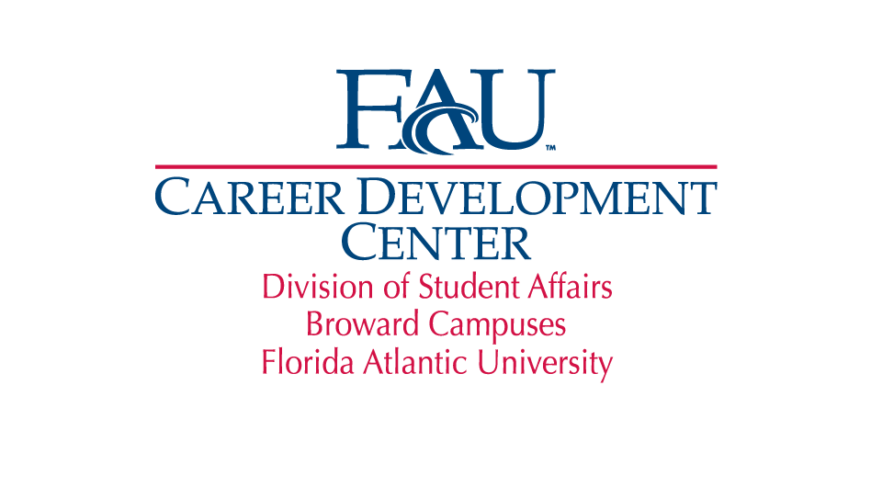

Broward Campus
Assessment Supporting Document for Outcome #3, Period 2011-2012
Percentage of Students with Above Average or Effective Resumes after Applying the Resume Rubric

Before | After | Above Average or Effective Resumes (16-20 score) | Percentage of Students with Above Average or Effective Resumes after meeting with a Career Advisor
5 | 12 | 0
8 | 20 | 1
10 | 10 | 0
19 | 20 | 1
14 | 20 | 1
10 | 20 | 1
7.5 | 20 | 1
12 | 13 | 0
12 | 15 | 0
10 | 16 | 1
12 | 17 | 1
13 | 16 | 1
11.5 | 16 | 1
12 | 16 | 1
13 | 14 | 0
8 | 13 | 0
6 | 17.5 | 1
9 | 9.5 | 0
10 | 15.5 | 0
15 | 20 | 1
11 | 13 | 0
10 | 14 | 0
20 | 20 | 1
10.5 | 18 | 1
16 | 18 | 1
10 | 15 | 0
8.5 | 11.5 | 0
Total: | 27 | 15 | 56%
Above Average or Effective Resumes: 100-80% (20-16)
Average Resume: 79-51% (15 - 11)
Below Average Resumes: 50-26% (10-6)
Resume Needs Significant Improvement: 25-0% (5-1)

